baseline
Hola Kola - The Valuation of the Zero-Calorie Soda Project

Project Information

Monthly Sales (units) | 600,000 |  | Cost of New Equipment (pesos) |  |  | 50,000,000
Increase (Decrease) in Sales Volume* | 0% |  | Resale Value of Equipment (pesos) |  |  | 4,000,000
Unit Sale Price (pesos) | 5 |  | % Overhead to Sales |  |  | 1%
Increase (Decrease) in Sales Price* | 0% |  | Building Rental (pesos) |  |  | 60,000
Unit Raw Material Cost (pesos) | 1.8 |  | Average Collection Period (Days) |  |  | 45
Increase (Decrease) in Raw Material Costs* | 0% |  | Average Payment Period (Days) |  |  | 36
Monthly Labor Costs (pesos) | 180,000 |  | Years of Straight-line Depreciation |  |  | 5
Increase (Decrease) in Direct Labor Costs* | 0% |  | Cost of Capital |  |  | 18.2%
Monthly Energy Costs (pesos) | 50,000 |  | Tax Rate |  |  | 30%
Increase (Decrease) in Energy Costs* | 0% |  | Erosion (pesos) |  |  | 800,000
*the shaded rows are reserved for sensitivity analysis |  |  | Intrest rate of loan |  |  | 16%
 |  |  | Consultant's market study cost |  |  | 5,000,000

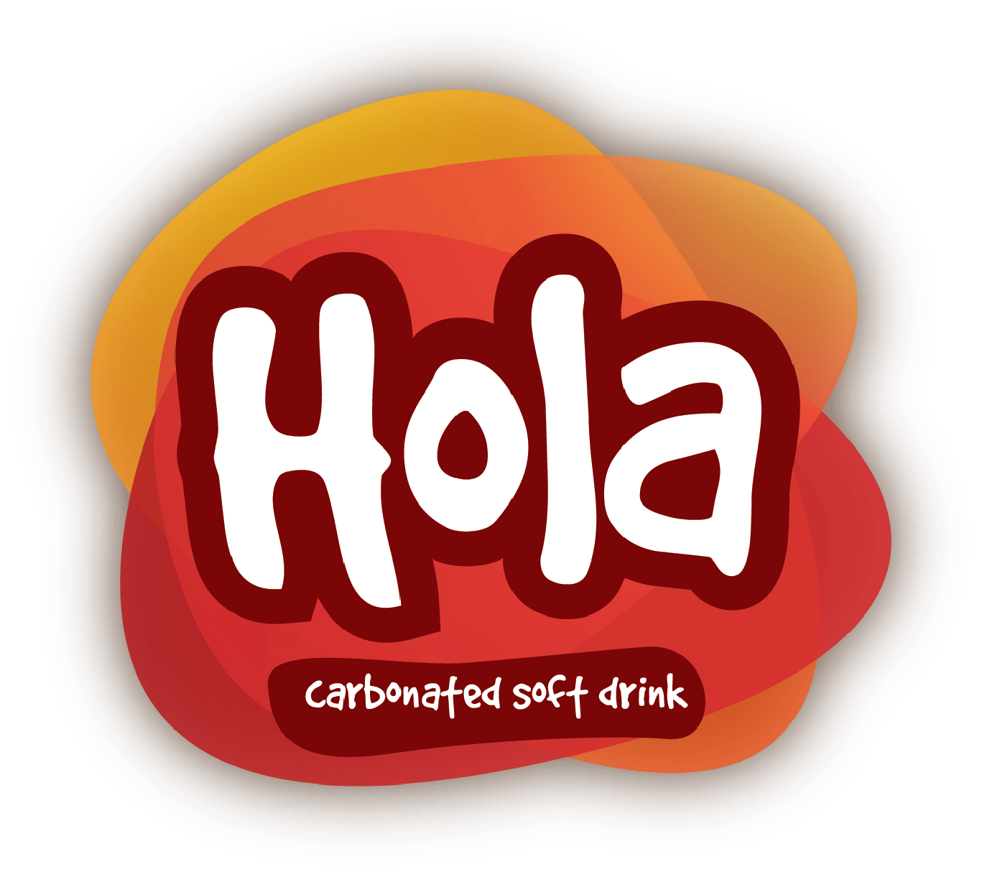
Year | 0 | 1 | 2 | 3 | 4 | 5

Cost of New Equipment (pesos) | (50,000,000)
Resale Value of Equipment (pesos) |  |  |  |  |  | 4,000,000
Less Taxes |  |  |  |  |  | (1,200,000)
Net Resale Value of Equipment (pesos) |  |  |  |  |  | 2,800,000
Consultant's market study cost ? | Sunk Cost!

Net Capital Expenditure | (50,000,000) | - | - | - | - | 2,800,000

Working Capital Requirements (pesos)
Receivables (=(Sales/365)*Avg Collection Period) | 4,438,356 | 4,438,356 | 4,438,356 | 4,438,356 | 4,438,356 | -
Inventories (=One month materials costs) | 1,080,000 | 1,080,000 | 1,080,000 | 1,080,000 | 1,080,000 | -
Payables ((Material Costs/365)*Avg Pmt Period) | (1,278,247) | (1,278,247) | (1,278,247) | (1,278,247) | (1,278,247) | -
 | 4,240,110 | 4,240,110 | 4,240,110 | 4,240,110 | 4,240,110 | -

Change in Working Capital Requirements (pesos) | (4,240,110) | - | - | - | - | 4,240,110

Annual Sales (Units) |  | 7,200,000 | 7,200,000 | 7,200,000 | 7,200,000 | 7,200,000
Annual Sales Revenue (pesos) |  | 36,000,000 | 36,000,000 | 36,000,000 | 36,000,000 | 36,000,000

Operating Expenses (pesos)
Raw Material Costs |  | (12,960,000) | (12,960,000) | (12,960,000) | (12,960,000) | (12,960,000)
Direct Labor Costs |  | (2,160,000) | (2,160,000) | (2,160,000) | (2,160,000) | (2,160,000)
Energy Costs |  | (600,000) | (600,000) | (600,000) | (600,000) | (600,000)
Building Rental (Opportunity Costs) ? |  | (60,000) | (60,000) | (60,000) | (60,000) | (60,000)
Depreciation |  | (10,000,000) | (10,000,000) | (10,000,000) | (10,000,000) | (10,000,000)
General Administrative and Selling Expenses |  | (300,000) | (300,000) | (300,000) | (300,000) | (300,000)
Overhead Expenses |  | (360,000) | (360,000) | (360,000) | (360,000) | (360,000)
Total Operating Expenses (pesos) |  | (26,440,000) | (26,440,000) | (26,440,000) | (26,440,000) | (26,440,000)

Operating Profit Before Interest and Tax (pesos) |  | 9,560,000 | 9,560,000 | 9,560,000 | 9,560,000 | 9,560,000
Intrest Expenses ? |  | WACC Already | WACC Already | WACC Already | WACC Already | WACC Already
Taxes (pesos) |  | (2,868,000) | (2,868,000) | (2,868,000) | (2,868,000) | (2,868,000)

Operating Profit After Tax (pesos) |  | 6,692,000 | 6,692,000 | 6,692,000 | 6,692,000 | 6,692,000

Project's Operating Cash Flow (pesos)
Depreciation (pesos) |  | 10,000,000 | 10,000,000 | 10,000,000 | 10,000,000 | 10,000,000
Erosion of Existing Sales (pesos) ? |  | (800,000) | (800,000) | (800,000) | (800,000) | (800,000)
Total Operating Cash Flow (pesos) |  | 15,892,000 | 15,892,000 | 15,892,000 | 15,892,000 | 15,892,000

Project's Free Cash Flow (pesos) | (54,240,110) | 15,892,000 | 15,892,000 | 15,892,000 | 15,892,000 | 22,932,110
Cumulative Cash Flow (pesos) | (54,240,110) | (38,348,110) | (22,456,110) | (6,564,110) | 9,327,890 | 32,260,000

Present Value of Cash Flow (pesos) | (54,240,110) | 13,445,008 | 11,374,796 | 9,623,347 | 8,141,579 | 9,939,319
Cumulative PV of Cash flow (pesos) | (54,240,110) | (40,795,101) | (29,420,305) | (19,796,959) | (11,655,380) | (1,716,061)

NPV (pesos) | (1,716,061)
IRR | 16.86%
Payback Period (Years) | 3.41
Discounted Payback Period (Years) | FALSE
Profitability Index | 0.97

